Sheet1
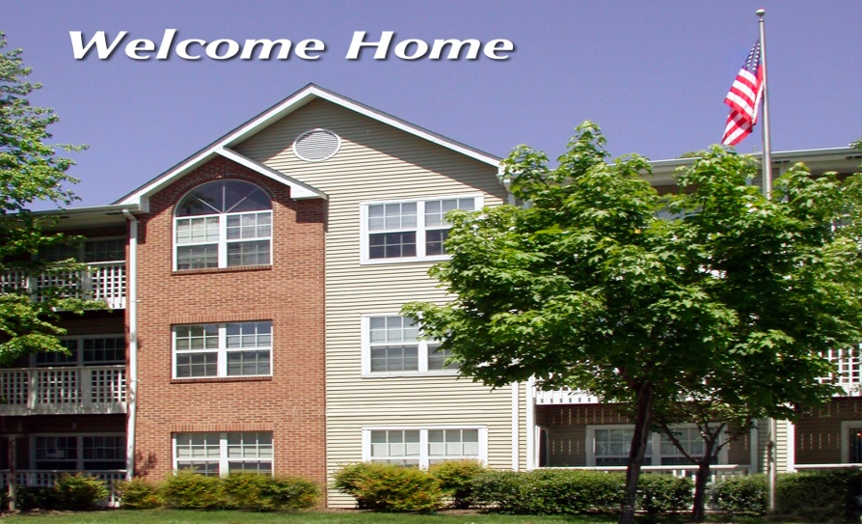
MONTHLY COSTS | APARTMENT RENT (1-Bedroom) | Home purchase (5% down, 30 yr Mortgage @ 4 1/2%) $150,000 $220,000
Monthly Payment (enter your proposed rent here) | $1,200 | $1,045 | $1,395
Electric | $45 | $155 | $170
Water, Sewer | $0 | $55 | $65
Trash | $0 | $30 | $30
Insurance | $20 | $20 | $25
Real Estate Taxes | $0 | $90 | $100
Routine Maintenance | $0 | $50 | $50
Lawn Care | $0 | $30 | $30
Health & Wellness Center | $0 | $50 | $50
Homeowner Association Fee | $0 | $100 | $100
TOTAL MONTHLY | $1,265 | $1,625 | $2,015
TOTAL ANNUAL | $15,180 | $19,500 | $24,180

Home Owner UP FRONT CHARGES $150,00 $220,000
Closing Costs (Down Payment, Title, Fees, Typically 7%) | $7,500 | $11,000

Appliances ( Washer, Dryer, Refrigerator, Range) | $1,700 | $1,700

Contingency for Major Repair | $600 | $700

TOTAL | $9,800 | $13,400

1YR GRAND TOTAL

Apartment | $150,000 | $220,000
$15,180 | $24,980 | $37,580

